Details

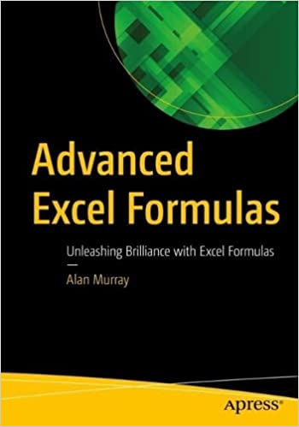
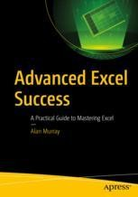

Alan Murray

LinkedIn: | https://www.linkedin.com/in/alanmurray-computergaga/
Website: | https://computergaga.com/
YouTube: | https://www.youtube.com/computergaga
Advanced Excel Formulas Book | At Amazon

